Summary
Summary:
 | 1) Input data file: D:\Sophia\Food Proteomics Pilot 20231120\Orbitrap Raw Data\sample1.raw
 | 2) Protein database: D:\Sophia\Food Proteomics Pilot 20231120\FASTAA\uniprotkb_bovine_AND_taxonomy_id_9913_2023_11_20.fasta
 | 3) Parameter file: D:\Sophia\Food Proteomics Pilot 20231120\Byonic Results\sample1.raw_20231120_Byonic_COW_Urea\objs\params.prf
 | 4) Date/Time: November 20, 2023 at 2:13:28 PM PST
 | 5) RunTime: 43 minutes, 2 seconds; on 6 cores

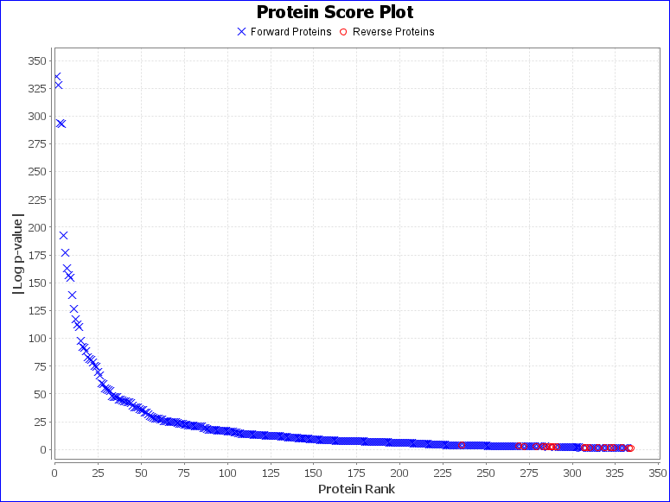
Summary Statistics:
 | 1) Reporting 314 forward and 20 reverse proteins
 | 2) 1786 unique forward peptides
 | 3) 11966 spectra matched to forward peptides
 | 4) Estimated spectrum-level FDR on true proteins is 0.2%

Recorded protein search configuration:
Num | Rule | Value
0 | Protein database | D:\Sophia\Food Proteomics Pilot 20231120\FASTAA\uniprotkb_bovine_AND_taxonomy_id_9913_2023_11_20.fasta
1 | Spectrum-level FDR | Auto cut
2 | Cleavage residues | RK
3 | Digest cutter | C-terminal cutter
4 | Peptide termini | Fully specific
5 | Maximum number of missed cleavages | 3
6 | Precursor tolerance | 20.0 ppm
7 | Fragment tolerance | frag:qtof_hcd 20.0 ppm
8 | Fragment tolerance version | 2
9 | Charges applied to charge-unassigned spectra: | 1,2,3
10 | Precursor mass max | 10000.0
11 | N-glycan search | None
12 | O-glycan search | None
13 | Off by x isotopes | No error check
14 | Contaminants added | false
15 | Decoys added | true
16 | %Additional parameters:
17 | Disulfide Enable | false
18 | Trisulfide Enable | false
19 | DSS Crosslink Enable | false
20 | Custom Crosslink Enable | false
21 | Wildcard Enable | 0
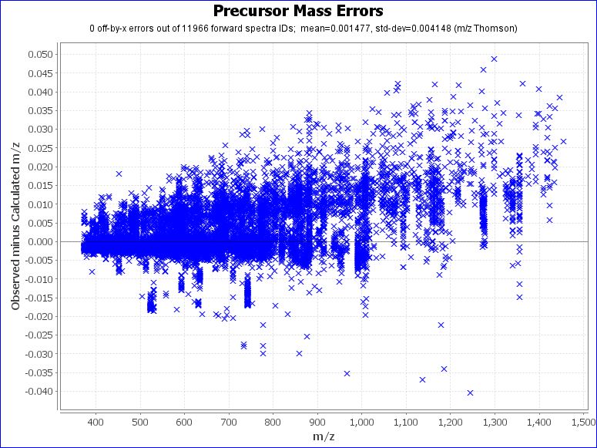
22 | Combyne cut off score | Auto
23 | Protein FDR cutoff | 1%
24 | Focused DB created | false
25 | Export mzIdentML | true
26 | Score version | 2
27 | precursor_assignment_flags | 2
28 | po_NumberMonosReturn | 1
29 | Lock mass list | None
30 | %Modification searches:
31 | common_modifications_max | 1
32 | rare_modifications_max | 1
33 | %Fixed and variable modifications:
34 | Carbamidomethyl / +57.021464 @ C | fixed
35 | Oxidation / +15.994915 @ M | common1
36 | Deamidated / +0.984016 @ N | rare1
37 | Deamidated / +0.984016 @ Q | rare1
38 | Gln->pyro-Glu / -17.026549 @ NTerm Q | rare1
39 | Glu->pyro-Glu / -18.010565 @ NTerm E | rare1
40 | % Custom modification text below
41 | %Glycan modifications:
42 | % Custom modification text below
43 | Show all N-glycopeptides | 0
44 | %Addition parameters:
45 | Product Version | PMI-Byonic-Com:v4.3.4
46 | Registered to | Nikko Bacalzo UC DAVIS

